Mind Maps
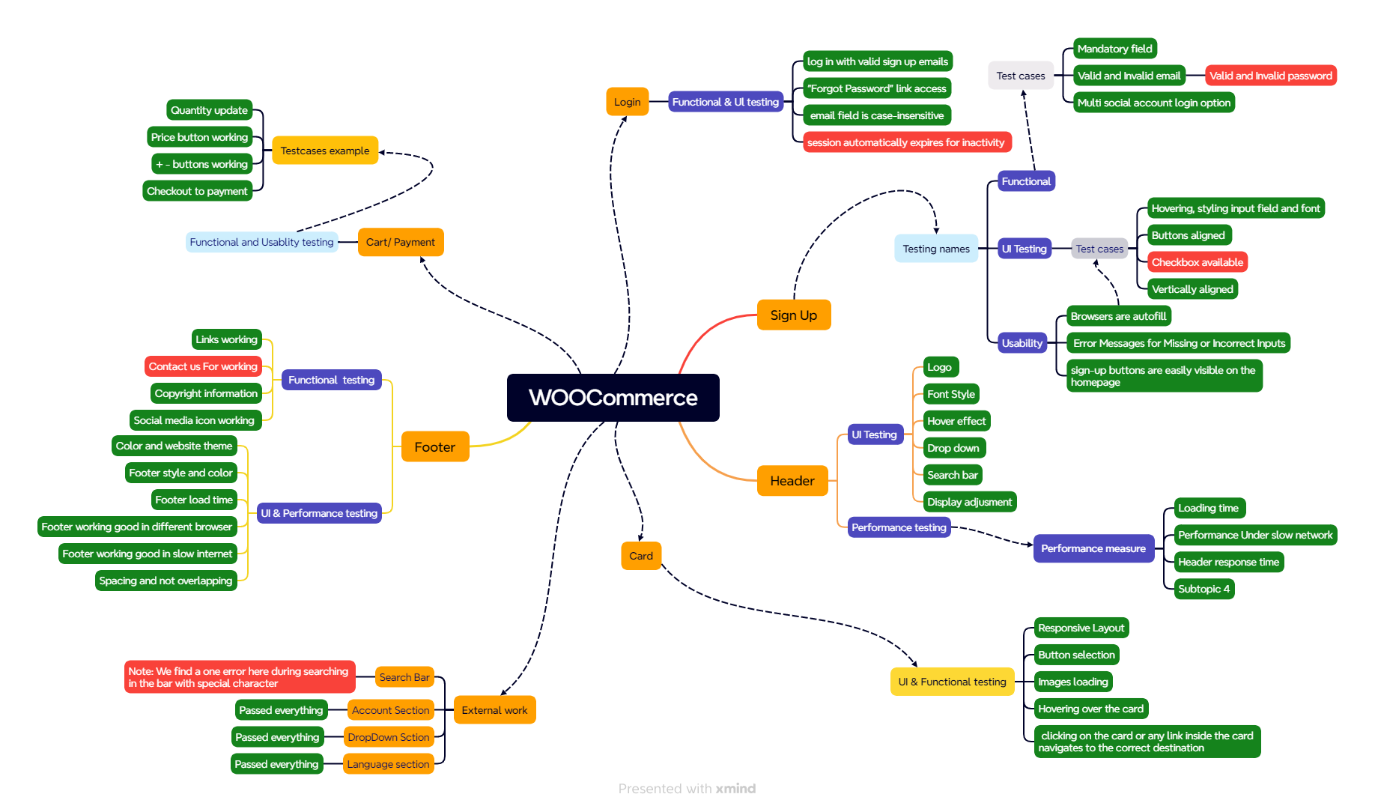

Test Summary Report
Test Case Report |  |  |  |  |  |  | Result :
Project Name | WOO-Commerce
Module Name | E-Commerce |  |  |  |  | Total No. | Status
Feature Name | Sign up/Login, Home Page, Header section, Footer Section, Backend section, Payment options, Websites launch options
Test Case Version | 1 |  |  |  |  | 105 | PASS
Written By | Inzamam Ul Islam Nirob |  |  |  |  | 5 | FAIL
Executed By | Inzamam Ul Islam Nirob |  |  |  |  | 0 | Not Executed | New Features:- | Testing Scope:- | Testing Environment :Google Chrome Browser
Reviewed By | Ehsanul Alam Sabbir |  |  |  |  | 0 | Out of Scope | No new featured found | 0
TEST EXECUTION REPORT
Test Case Report
Test Case | PASS | FAIL | Not Executed | Out Of Scope | Total TC
 | 105 | 5 | 0 | 0 | 110
Grand Total | 105 | 5 | 0 | 0 | 110

LIMITATIONS
Documents |  |  |  | Received | Useful
PRD |  |  |  | No | No
USER STORY |  |  |  | No | No

